Fuhrmann_1984
Fuhrmann et al (1984) - Improvement of Continous Baking Oven's Efficiency
https://doi.org/10.1016/0167-6105(84)90007-2

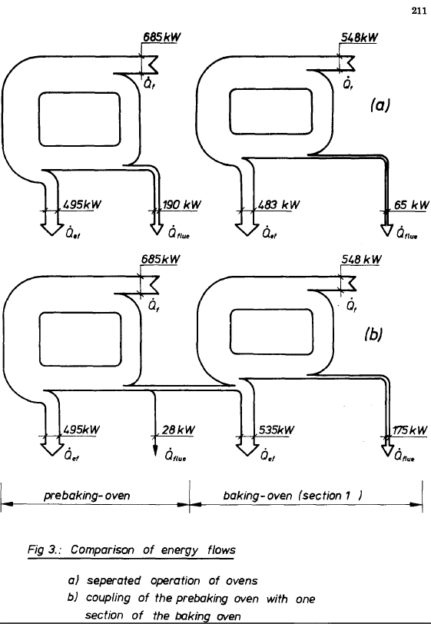
Year | Machine | Efficiency [-]
1984 | Baking oven | 88.14% | process A1
 |  | 72.26% | process A2
 |  | 83.54% | process B

Masanet_2012
Masanet et al (2012) - Energy Efficiency Improvement and Cost Saving Opportunities for the Baking Industry
https://escholarship.org/content/qt3pb7n796/qt3pb7n796.pdf

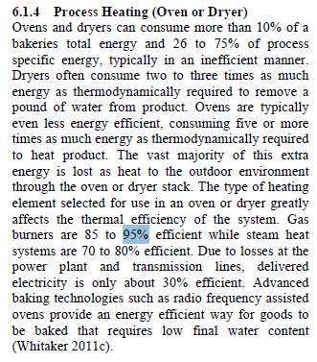
Year | Country | Machine | Efficiency
2012 |  | Commercial gas oven | 90% | gas burner
 |  |  | 75% | steam heat system
 |  |  | 82.5% | average

